GRAPH

PROJECT NAME: | 0 |  |  |  |  |  |  |  |  | PREPARED BY: | 0
LOCATION: | 0 |  |  |  |  |  |  |  |  | PHONE: | 800-832-8002
PREPARED FOR: | 0 |  |  |  |  |  |  |  |  | FAX: | 401-821-7129
DATE: | 0 |  |  |  |  |  |  |  |  | WEBSITE: | www.DefenderFilter.com

10 YEAR LIFE-CYCLE COST INCLUDING CAPITAL INVESTMENT |  |  |  |  |  |  |  |  |  |  |  | Water Savings

 |  |  |  |  |  |  |  |  |  |  |  | #DIV/0!
 |  |  |  |  |  |  |  |  |  |  |  | Annual Water Savings

 |  |  |  |  |  |  |  |  |  |  |  | 0
 |  |  |  |  |  |  |  |  |  |  |  | Gallons Saved Over 10 Years

 |  |  |  |  |  |  |  |  |  |  |  | Adj. ROI Payback

 |  |  |  |  |  |  |  |  |  |  |  | #N/A
 |  |  |  |  |  |  |  |  |  |  |  | @ 365 Operating Days /Yr

 |  |  |  |  |  |  |  |  |  |  |  | Electrical Savings

 |  |  |  |  |  |  |  |  |  |  |  | #DIV/0!
 |  |  |  |  |  |  |  |  |  |  |  | Annual Electrical Savings

 |  |  |  |  |  |  |  |  |  |  |  | 0
 |  |  |  |  |  |  |  |  |  |  |  | kWh Saved Over 10 Years

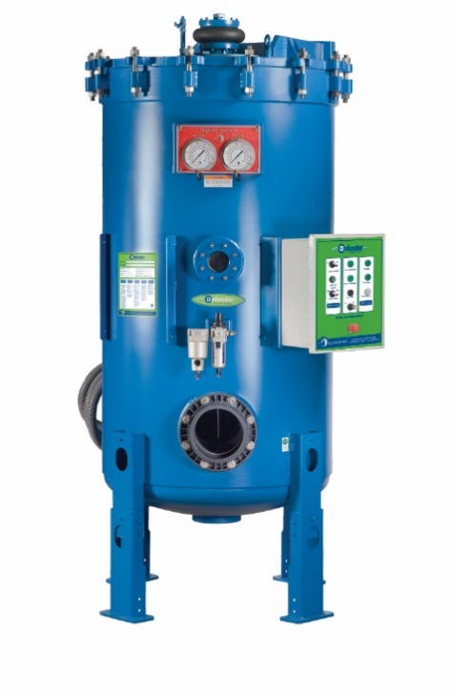

 | CAPITAL | 1YR | 2YR | 3YR | 4YR | 5YR | 6YR | 7YR | 8YR | 9YR | 10YR
DEFENDER: | $1,710 | $1,710 | $1,710 | $1,710 | $1,710 | $1,710 | $1,710 | $1,710 | $1,710 | $1,710 | $1,710
SAND: | $0 | $0 | $0 | $0 | $0 | $0 | $0 | $0 | $0 | $0 | $0
Defender 10 Year Savings Forecast: |  |  |  |  |  |  |  |  | -$1,710

